Sheet1
$$Q=floor(NormValue(Si) ∗{(2}^{Bit_depth}−1))$$
 |  |  | bits per pixel
sensor |  | 8 | 1
double | max | 255 | 1
 | min | 0 | 0
 | Si | 75
$$=floor\left(\left(\frac{Si−Smin}{Smax −Smin}\right)∗{(2}^{Bit_depth}−1)\right)$$
 | Si - Smin | 75
 | Smax - Smin | 255

Max-Min Norm | Si - Smin / Smax - Smin | 0.29411764706 |  |  |  |  | Max-Min Norm |  | New range scaling

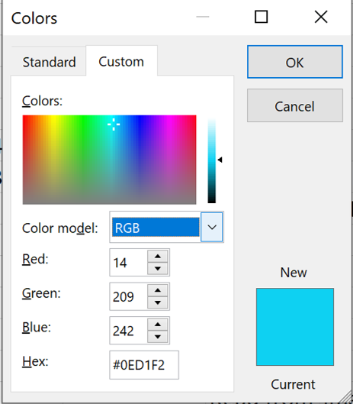
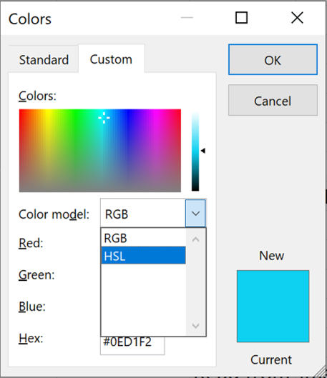

New Range Scaling
 | 2 ^ bit_depth | 18.823529412 | 64
 | (2 ^ bit_depth ) - 1 | 18.529411765 | 63 |  |  | RGB | (14, 209, 242)
 |  |  |  |  |  | HSL | (134, 229, 128)
Changing Data type to uint8 [0, 255] |  |  |  |  |  | H | 134 | [0, 255]
 | floor | 18 |  |  |  |  | 188.65098039 | [0, 359]
 | ceiling | 19 |  |  |  |  | 188 | degree
 | rounding | 19

 |  |  |  |  | Read from image file | image calculation | Save To image file
 |  |  |  | data type | uint8 | double (pos, neg) | uint8
 |  |  |  | color channel | BGR |  | RGB
 |  |  |  |  | RBG |  | RGB

Sheet2
$$Q=floor(NormValue(Si) ∗{(2}^{Bit_depth}−1))$$
$$=floor\left(\left(\frac{Si−Smin}{Smax −Smin}\right)∗{(2}^{Bit_depth}−1)\right)$$
55 | 55 | 123 | 123 | 0
55 | 55 | 123 | 123 | 255
197 | 197 | 221 | 221
197 | 197 | 221 | 221

13.588235294 |  |  |  | 0 | C
 | 63 |  |  | 63

13 | 13 | 30 | 30
13 | 13 | 30 | 30
48 | 48 | 54 | 54
48 | 48 | 54 | 54

121 | 56
56
00111000

